Reber Rock Chicken
TEMPERATURE DATA |  |  |  |  |  |  | Pile Location: |  |  | Windrow Cap Date:
Windrow Name: |  | Reber Rock Chicken 2025 |  |  |  |  | Pile Make-up:

 | 1
Date | 18" | 36" | Average Windrow Temperature | Ingredients Added | # of birds | Observations/Comments | Day of Composting | Ave 18" temp | Ave 36" Temp
2025-06-02 | - | - |  | TRUE | 200 | Pile started
Average Windrow Temperatures, Phase 1
 | Ave 18" temp | Ave 36" Temp
2025-06-03 | - | - |  | FALSE
2025-06-04 | 118 | 104 | 111 | FALSE |  | Scavangers; viscera not burried sufficiently with carbon. |  | #REF! | #REF!
2025-06-05 | 124 | 104 | 114 | FALSE |  | Scavangers; viscera not burried sufficiently with carbon. |  | #REF! | #REF!
2025-06-06 | - | - | #DIV/0! | FALSE |  |  |  | #REF! | #REF!
2025-06-07 | 98 | 78 | 88 | FALSE |  |  |  | #REF! | #REF!
2025-06-08 | 98 | 78 | 88 | FALSE |  |  |  | #REF! | #REF!
2025-06-09 |  |  | #DIV/0! | TRUE | 302 | added on top, covered with canvas and tires to prevent scavangers |  | #REF! | #REF!
2025-06-10 | 122 | 100 | 111 | FALSE |  |  |  | #REF! | #REF!
2025-06-11 | 138 | 117 | 128 | FALSE |  |  |  | #REF! | #REF!
2025-06-12 | 142 | 119 | 131 | FALSE |  |  |  | #REF! | #REF!
2025-06-13 |  |  | #DIV/0! | FALSE |  |  |  | #REF! | #REF!
2025-06-14 | 158 | 128 | 143 | FALSE |  |  |  | #REF! | #REF!
2025-06-15 | 158 | 129 | 144 | FALSE |  |  |  | #REF! | #REF!
2025-06-16 | 156 | 130 | 143 | TRUE | 386 | next bay, built to the east, too flat |  | #REF! | #REF!
2025-06-17 | 95 | 70 | 83 | FALSE |  |  |  | #REF! | #REF!
2025-06-18 | 112 | 72 | 92 | FALSE |  |  |  | #REF! | #REF!
2025-06-19 | x | x | #DIV/0! | FALSE |  |  |  | #REF! | #REF!
2025-06-20 | 126 | 111 | 119 | FALSE |  |  |  | #REF! | #REF!
2025-06-21 | 125 | 116 | 121 | FALSE |  |  |  | #REF! | #REF!
2025-06-22 | 125 | 116 | 121 | FALSE |  |  |  | #REF! | #REF!
2025-06-23 | 122 | 114 | 118 | TRUE | 407 | on top |  | #REF! | #REF!
2025-06-24 | 110 | 101 | 106 | FALSE |  |  |  | #REF! | #REF!
2025-06-25 | 135 | 110 | 123 | FALSE |  |  |  | #REF! | #REF!
2025-06-26 | 142 | 120 | 131 | FALSE |  | second layer gets hotter faster than first layer, whole pile then getting up to this temp |  | #REF! | #REF!
2025-06-27 | 146 | 129 | 138 | FALSE |  |  |  | #REF! | #REF!
2025-06-28 | 148 | 132 | 140 | FALSE |  |  |  | #REF! | #REF!
2025-06-29 | 148 | 138 | 143 | FALSE |  |  |  | #REF! | #REF!
2025-06-30 | 148 | 146 | 147 | TRUE | 454 | new section, bottom |  | #REF! | #REF!
2025-07-01 | 88 | 90 | 89 | FALSE |  |  |  | #REF! | #REF!
2025-07-02 | 106 | 86 | 96 | FALSE |  |  |  | #REF! | #REF!
2025-07-03 | 110 | 92 | 101 | FALSE |  |  |  | #REF! | #REF!
2025-07-04 | 152 | 102 | 127 | FALSE |  |  |  | #REF! | #REF!
2025-07-05 | 148 | 104 | 126 | FALSE |  |  |  | #REF! | #REF!
2025-07-06 |  |  | #DIV/0! | FALSE |  |  |  | #REF! | #REF!
2025-07-07 | 119 | 106 | 113 | TRUE | 424 | new section, bottom; scavengers dig pile |  | #REF! | #REF!
2025-07-08 | 110 | 82 | 96 | FALSE |  |  |  | #REF! | #REF!
2025-07-09 | 135 | 102 | 119 | FALSE |  |  |  | #REF! | #REF!
2025-07-10 | 138 | 111 | 125 | FALSE |  | doesn't get into the 140s when it's the bottom pile |  | #REF! | #REF!
2025-07-11 |  |  | #DIV/0! | FALSE |  |  |  | #REF! | #REF!
2025-07-12 | 138 | 122 | 130 | FALSE |  |  |  | #REF! | #REF!
2025-07-13 | 137 | 124 | 131 | FALSE |  |  |  | #REF! | #REF!
2025-07-14 | 136 | 122 | 129 | TRUE | 104 | new section, bottom; scavangers rip canvas |  | #REF! | #REF!
2025-07-15 | 110 | 86 | 98 | FALSE |  |  |  | #REF! | #REF!
2025-07-16 | 123 | 97 | 110 | FALSE |  | Only processed 100 birds, was too thin a layer of nitrogen |  | #REF! | #REF!
2025-07-17 | 125 | 102 | 114 | FALSE |  |  |  | #REF! | #REF!
2025-07-18 | 122 | 106 | 114 | FALSE |  |  |  | #REF! | #REF!
2025-07-19 | 123 | 105 | 114 | FALSE |  |  |  | #REF! | #REF!
2025-07-20 | 122 | 108 | 115 | FALSE |  |  |  | #REF! | #REF!
2025-07-21 | 122 | 109 | 116 | TRUE | 373 | on top |  | #REF! | #REF!
2025-07-22 |  |  | #DIV/0! | FALSE |  |  |  | #REF! | #REF!
2025-07-23 |  |  | #DIV/0! | FALSE |  |  |  | #REF! | #REF!
2025-07-24 |  |  | #DIV/0! | FALSE |  |  |  | #REF! | #REF!
2025-07-25 |  |  | #DIV/0! | FALSE |  |  |  | #REF! | #REF!
2025-07-26 | 154 | 108 | 131 | FALSE |  | temps up on second layer |  | #REF! | #REF!
2025-07-27 | 155 | 109 | 132 | FALSE |  |  |  | #REF! | #REF!
2025-07-28 | 152 | 109 | 131 | TRUE | 423 | new secton |  | #REF! | #REF!
2025-07-29 | 98 | 78 | 88 | FALSE |  |  |  | #REF! | #REF!
2025-07-30 |  | 98 | 98 | FALSE |  |  |  | #REF! | #REF!
2025-07-31 | 152 | 108 | 130 | FALSE |  |  |  | #REF! | #REF!
2025-08-01 |  |  | #DIV/0! | FALSE |  |  |  | #REF! | #REF!
2025-08-02 | 132 | 118 | 125 | FALSE |  | put two canvas covers on, not enough air? |  | #REF! | #REF!
2025-08-03 | 132 | 118 | 125 | FALSE |  |  |  | #REF! | #REF!
2025-08-04 |  | 78 | 78 | TRUE | 436 |  |  | #REF! | #REF!
2025-08-05 | 106 | 82 | 94 | FALSE |  |  |  | #REF! | #REF!
2025-08-06 | 108 | 88 | 98 | FALSE |  |  |  | #REF! | #REF!
2025-08-07 |  |  | #DIV/0! | FALSE |  |  |  | #REF! | #REF!
2025-08-08 |  |  | #DIV/0! | FALSE |  |  |  | #REF! | #REF!
2025-08-09 | 128 | 118 | 123 | FALSE |  |  |  | #REF! | #REF!
2025-08-10 | 132 | 118 | 125 | FALSE |  | thermometers left in the same location without the cover on. |  | #REF! | #REF!
2025-08-11 | 144 | 120 | 132 | TRUE | 402 |  |  | #REF! | #REF!
2025-08-12 | 144 | 118 | 131 | FALSE |  |  |  | #REF! | #REF!
2025-08-13 | 142 | 117 | 130 | FALSE |  |  |  | #REF! | #REF!
2025-08-14 | 140 | 118 | 129 | FALSE |  |  |  | #REF! | #REF!
2025-08-15 |  |  | #DIV/0! | FALSE |  |  |  | #REF! | #REF!
2025-08-16 | 141 | 118 | 130 | FALSE |  |  |  | #REF! | #REF!
2025-08-17 | 138 | 117 | 128 | FALSE |  |  |  | #REF! | #REF!
2025-08-18 | 138 | 143 | 141 | TRUE | 450 | probes moved to pile under canvas |  | #REF! | #REF!
2025-08-19 |  |  | #DIV/0! | FALSE |  |  |  | #REF! | #REF!
2025-08-20 | 145 | 140 | 143 | FALSE |  | pictures don't have canvas...removed canvas to take pictures? Is this temp representative of canvas on or off? |  | #REF! | #REF!
2025-08-21 | 142 | 140 | 141 | FALSE |  |  |  | #REF! | #REF!
2025-08-22 |  |  | #DIV/0! | FALSE |  |  |  | #REF! | #REF!
2025-08-23 | 150 | 140 | 145 | FALSE |  |  |  | #REF! | #REF!
2025-08-24 | 151 | 142 | 147 | FALSE |  |  |  | #REF! | #REF!
2025-08-25 | 150 | 145 | 148 | TRUE | 425 | on top |  | #REF! | #REF!
2025-08-26 | 110 | 144 | 127 | FALSE |  |  |  | #REF! | #REF!
2025-08-27 | 134 | 122 | 128 | FALSE |  |  |  | #REF! | #REF!
2025-08-28 |  |  | #DIV/0! | FALSE |  |  |  | #REF! | #REF!
2025-08-29 |  |  | #DIV/0! | FALSE |  |  |  | #REF! | #REF!
2025-08-30 | 158 | 154 | 156 | FALSE |  |  |  | #REF! | #REF!
2025-08-31 |  |  | #DIV/0! | FALSE |  |  |  | #REF! | #REF!
2025-09-01 | 68 | 152 | 110 | TRUE | 426 | on top |  | #REF! | #REF!
2025-09-02 | 104 | 104 | 104 | FALSE |  |  |  | #REF! | #REF!
2025-09-03 |  |  | #DIV/0! | FALSE |  |  |  | #REF! | #REF!
2025-09-04 |  |  | #DIV/0! | FALSE |  |  |  | #REF! | #REF!
2025-09-05 |  |  | #DIV/0! | FALSE |  |  |  | #REF! | #REF!
2025-09-06 |  |  | #DIV/0! | FALSE |  |  |  | #REF! | #REF!
2025-09-07 | 150 | 158 | 154 | FALSE |  |  |  | #REF! | #REF!
2025-09-08 | 145 | 152 | 149 | TRUE | 440 | on top |  | #REF! | #REF!
2025-09-09 | 130 | 128 | 129 | FALSE |  |  |  | #REF! | #REF!
2025-09-10 | 150 | 152 | 151 | FALSE |  |  |  | #REF! | #REF!
2025-09-11 | 150 | 154 | 152 | FALSE |  |  |  | #REF! | #REF!
2025-09-12 |  |  | #DIV/0! | FALSE |  |  |  | #REF! | #REF!
2025-09-13 | 145 | 156 | 151 | FALSE |  |  |  | #REF! | #REF!
2025-09-14 | 145 | 151 | 148 | FALSE |  |  |  | #REF! | #REF!
2025-09-15 | 114 | 78 | 96 | TRUE | 495 | new pile |  | #REF! | #REF!
2025-09-16 | 120 | 119 | 120 | FALSE |  |  |  | #REF! | #REF!
2025-09-17 | 121 | 122 | 122 | FALSE |  |  |  | #REF! | #REF!
2025-09-18 | 131 | 132 | 132 | FALSE |  |  |  | #REF! | #REF!
2025-09-19 |  |  | #DIV/0! | FALSE |  |  |  | #REF! | #REF!
2025-09-20 | 146 | 144 | 145 | FALSE |  |  |  | #REF! | #REF!
2025-09-21 | 150 | 147 | 149 | FALSE |  |  |  | #REF! | #REF!
2025-09-22 | 150 | 149 | 150 | TRUE | 554 | on top |  | #REF! | #REF!
2025-09-23 | 83 | 74 | 79 | FALSE
2025-09-24 | 102 | 88 | 95 | FALSE
2025-09-25 | 130 | 110 | 120 | FALSE
2025-09-26 |  |  | #DIV/0! | FALSE
2025-09-27 | 154 | 142 | 148 | FALSE
2025-09-28 | 154 | 146 | 150 | FALSE
2025-09-29 | 150 | 150 | 150 | TRUE | 457 | on top
2025-09-30 | 148 | 146 | 147 | FALSE
2025-10-01 | 158 | 159 | 159 | FALSE |  | ??
2025-10-02 | 162 | 162 | 162 | FALSE
2025-10-03 |  |  | #DIV/0! | FALSE
2025-10-04 | 160 | 160 | 160 | FALSE
2025-10-05 | 159 | 160 | 160 | FALSE
2025-10-06 |  |  | #DIV/0! | TRUE | 377 | on top
2025-10-07 | 86 | 84 | 85 | FALSE
2025-10-08 | 129 | 128 | 129 | FALSE
2025-10-09 | 158 | 158 | 158 | FALSE |  | clear that as the pile got larger, heat built up faster.
2025-10-10 |  |  | #DIV/0! | FALSE
2025-10-11 |  |  | #DIV/0! | FALSE
2025-10-12 | 159 | 162 | 161 | FALSE
2025-10-13 | 158 | 161 | 160 | TRUE | 455 | temps not taken or not submitted by staff
2025-10-14 |  |  | #DIV/0! | FALSE
2025-10-15 |  |  | #DIV/0! | FALSE
2025-10-16 |  |  | #DIV/0! | FALSE
2025-10-17 |  |  | #DIV/0! | FALSE
2025-10-18 |  |  | #DIV/0! | FALSE
2025-10-19 |  |  | #DIV/0! | FALSE
2025-10-20 |  |  | #DIV/0! | TRUE | 434
2025-10-21 |  |  | #DIV/0! | FALSE
2025-10-22 |  |  | #DIV/0! | FALSE
2025-10-23 |  |  | #DIV/0! | FALSE
2025-10-24 |  |  | #DIV/0! | FALSE
2025-10-25 |  |  | #DIV/0! | FALSE
...

Windrow 1 (2)
Average Windrow Temperatures, Phase 1

Windrow_
...
 | 1 |  | 2 |  | 3 |  | 4 |  | 5 |  | 6 |  | 7 |  | 8 |  | 9 |  | 10
Date | 18" | 36" | 18" | 36" | 18" | 36" | 18" | 36" | 18" | 36" | 18" | 36" | 18" | 36" | 18" | 36" | 18" | 36" | 18" | 36" | Average Windrow Temperature | Observations/Comments | Day of Composting | Ave 18" temp
 |  |  |  |  |  |  |  |  |  |  |  |  |  |  |  |  |  |  |  |  | #DIV/0! |  |  | #DIV/0!
 |  |  |  |  |  |  |  |  |  |  |  |  |  |  |  |  |  |  |  |  | #DIV/0! |  |  | #DIV/0!
 |  |  |  |  |  |  |  |  |  |  |  |  |  |  |  |  |  |  |  |  | #DIV/0! |  |  | #DIV/0!
 |  |  |  |  |  |  |  |  |  |  |  |  |  |  |  |  |  |  |  |  | #DIV/0! |  |  | #DIV/0!
 |  |  |  |  |  |  |  |  |  |  |  |  |  |  |  |  |  |  |  |  | #DIV/0! |  |  | #DIV/0!
 |  |  |  |  |  |  |  |  |  |  |  |  |  |  |  |  |  |  |  |  | #DIV/0! |  |  | #DIV/0!
 |  |  |  |  |  |  |  |  |  |  |  |  |  |  |  |  |  |  |  |  | #DIV/0! |  |  | #DIV/0!

Average Windrow Temperatures, Cycle 1

Windrow 1
...
Average Windrow Temperatures, Phase 1
...
36" | Average Windrow Temperature | Observations/Comments | Day of Composting | Ave 18" temp | Ave 36" Temp
29 | 25 |  |  | 23 | 27
36 | 36 |  |  | 37 | 35
40 | 43 |  |  | 39 | 47
45 | 56 |  |  | 50 | 62
 | #DIV/0! |  |  | #DIV/0! | #DIV/0!
108 | 85 |  |  | 80 | 90
124 | 105 |  |  | 102 | 108
158 | 117 |  |  | 109 | 126
157 | 126 |  |  | 121 | 131
158 | 123 |  |  | 109 | 137
126 | 106 |  |  | 80 | 132
127 | 109 |  |  | 88 | 131
152 | 113 |  |  | 92 | 134
130 | 105 |  |  | 80 | 130
138 | 102 |  |  | 77 | 128
152 | 131 |  |  | 127 | 136
155 | 129 |  |  | 115 | 143
151 | 130 |  |  | 124 | 142
146 | 127 |  |  | 120 | 139
144 | 100 | strong east winds |  | 108 | 122
145 | 90 |  |  | 105 | 116
143 | 90 |  |  | 98 | 114
142 | 105 |  |  | 110 | 126
140 | 94 |  |  | 97 | 116
138 | 70 |  |  | 81 | 101
125 | 63 |  |  | 75 | 100
127 | 68 |  |  | 76 | 103
 | #DIV/0! |  |  | #DIV/0! | #DIV/0!
 | #DIV/0! |  |  | #DIV/0! | #DIV/0!

Windrow 3
...
Average Windrow Temperatures, Phase 1
...
36" | Average Windrow Temperature | Observations/Comments | Day of Composting | Ave 18" temp | Ave 36" Temp
29 | 29 |  |  | 28 | 31
30 | 30 |  |  | 30 | 31
 | #DIV/0! |  |  | #DIV/0! | #DIV/0!
31 | 35 |  |  | 35 | 35
33 | 43 |  |  | 40 | 45
31 | 54 |  |  | 51 | 58
33 | 74 |  |  | 77 | 71
45 | 92 |  |  | 96 | 89
62 | 107 |  |  | 101 | 113
92 | 123 |  |  | 117 | 129
128 | 141 |  |  | 136 | 146
118 | 122 |  |  | 114 | 130
132 | 125 |  |  | 117 | 133
129 | 137 |  |  | 134 | 140
152 | 146 |  |  | 144 | 149
148 | 147 |  |  | 144 | 149
154 | 146 |  |  | 142 | 149
98 | 132 |  |  | 131 | 136
139 | 130 |  |  | 130 | 143
148 | 139 |  |  | 136 | 142
156 | 133 |  |  | 117 | 149
143 | 126 |  |  | 118 | 142
135 | 100 |  |  | 99 | 127
131 | 112 |  |  | 112 | 128
114 | 122 |  |  | 116 | 130
 | #DIV/0! |  |  | #DIV/0! | #DIV/0!
 | #DIV/0! |  |  | #DIV/0! | #DIV/0!
 | #DIV/0! |  |  | #DIV/0! | #DIV/0!

Weather Hx
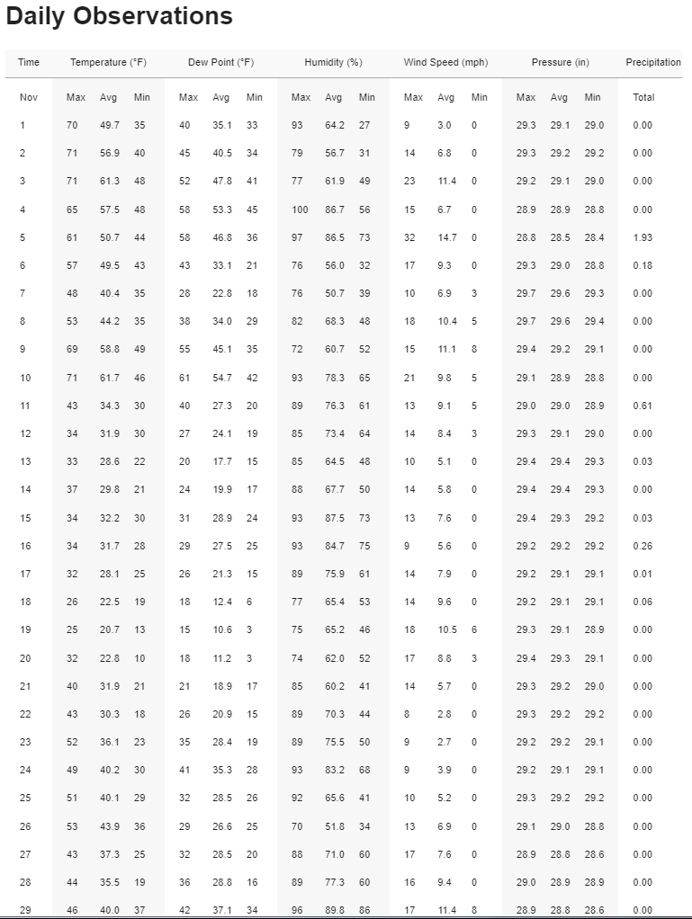
Watertown, WI Past Weather For Last 30 days - LocalConditions.com
Date | Wind Direction
2022-11-20 | WSW to S
2022-11-21 | SW to W
2022-11-22 | SW
2022-11-23 | S to SSW
2022-11-24 | SSW to WNW
2022-11-25 | NW to W to SW
2022-11-26 | SW to S
2022-11-27 | N
2022-11-28 | S
2022-11-29 | S to SE

