Pumpkin Yields
Pumpkin Yields*
Plot A |  |  | Plot B |  |  | Plot C |  |  | Plot D |  |  | Averages for all plots
# fruit | Weight | Volume | # fruit | Weight | Volume | # fruit | Weight | Volume | # fruit | Weight | Volume | # fruit | Weight | Volume
_____________________________________________________________________Treatment 1___________________________________________________________________________
5 | 1,408 | 1,980 | 20 | 1,224 | 1,747 | 22 | 1,219 | 1,664 | 10 | 1,214 | 1,630 | 14.25 | 1,266 | 1,755
_____________________________________________________________________Treatment 2___________________________________________________________________________
8 | 1,491 | 2,063 | 21 | 1,254 | 1,852 | 15 | 1,579 | 2,227 | 13 | 1,247 | 1,723 | 14.25 | 1,393 | 1,966
_____________________________________________________________________Treatment 3___________________________________________________________________________
14 | 1,567 | 2,171 | 19 | 1,053 | 1,579 | 25 | 1,369 | 1,856 | 9 | 1,281 | 1,800 | 16.75 | 1,317 | 1,852
_____________________________________________________________________Treatment 4___________________________________________________________________________
20 | 1,524 | 2,165 | 21 | 1,162 | 1,662 | 32 | 1,206 | 1,685 | 16 | 1,340 | 1,819 | 22.25 | 1,308 | 1,833
_____________________________________________________________________Treatment 5___________________________________________________________________________
9 | 1,718 | 2,489 | 4 | 1,216 | 1,700 | 7 | 1,474 | 1,986 |  |  |  | 6.67 | 1,469 | 2,058
_____________________________________________________________________Treatment 6___________________________________________________________________________
4 | 1,890 | 2,750 | 9 | 1,189 | 1,689 | 9 | 1,400 | 1,967 |  |  |  | 7.33 | 1,493 | 2,135

Legend
*For viewing the entire data set, please extend the obove table by pressing on "2" (located on the upper left hand corner of the table). For going back to the summary version of the data set, please collapse the above table by pressing on "1" (located on the upper left hand corner of the window ).
Plot A - Alvin M.'s farm (conventional), Shippensburg, PA, 40° 4'30.48"N - 77°27'0.97"W;
Plot B - Wilson Colege farm (biorational), Chambersburg, PA, 39°57'12.87"N - 77°39'18.16"W;
Plot C - Dickinson College farm (organic), Boiling Springs, PA, 40° 8'28.70"N - 77° 8'29.47"W;
Plot D - SEAREC farm (conventional), Manheim, PA, 40° 7'1.65"N - 76°25'33.81"W.
Treatment 1 - averages for cage(s) #1, opened for bee pollination from 6:00 AM until 7:00 AM;
Treatment 2 - averages for cage(s) #2, opened for bee pollination from 7:00 AM until 3:00 PM;
Treatment 3 - averages for cage(s) #3 - control I, opened for bee pollination all day, Tuesday to Friday;
Treatment 4 - averages for cage(s) #4 - control II, opened at all times;
Treatment 5 - averages for cage(s) #5, that had the open female flowers bagged from 7:00 AM until 3:00 PM;
Treatment 6 - averages for cage(s) #6, that had the open female flowers bagged from 6:00 AM until 7:00 AM.
Weight - measured in grams (g);
Volume - measured in milliliters (ml).

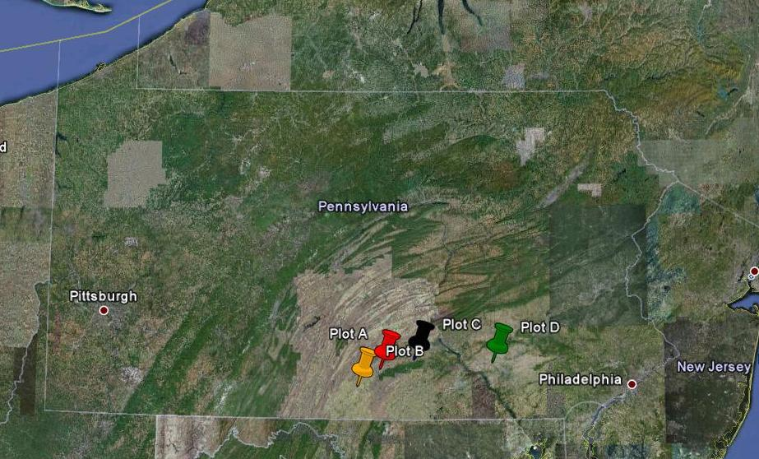

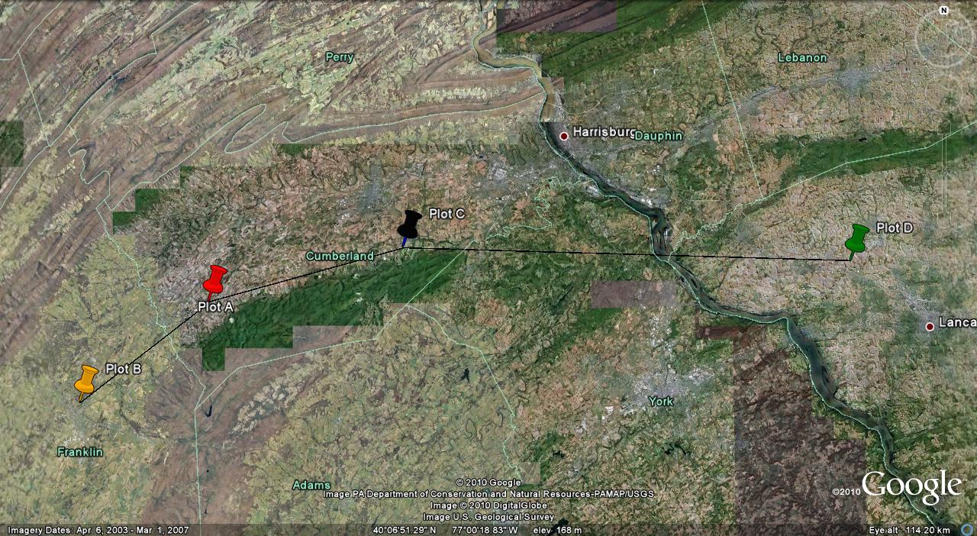

38 miles

17 miles
14 miles

Phenology
Legend
Treatment 1 - fruits formed from flowers pollinated between 6:00 AM and 7:00 AM;
Treatment 2 - fruits formed from flowers pollinated between 7:00 AM and 12:00 PM;
S to B - number of days from the time when the seed was sown until the time when the flower was pollinated;
B to H - number of days from the time when the flower was pollinated and the time when the fruit was harvested;
Weight - the weight of the pumpkin in grams (g).
Phenology
Treatment 1 |  |  | Treatment 2
S to B | B to H | Weight | S to B | B to H | Weight
48 | 42 | 1,920 | 53 | 37 | 1,720
49 | 41 | 1,795 | 46 | 44 | 1,500
46 | 44 | 2,455 | 46 | 44 | 1,570
47 | 43 | 1,730 | 41 | 49 | 1,365
42 | 48 | 1,485 | 42 | 48 | 1,220
41 | 49 | 1,590 | 45 | 45 | 1,485
42 | 48 | 1,410 | 45 | 45 | 1,785
42 | 48 | 1,500 | 39 | 51 | 1,145
45 | 45 | 1,435 | 41 | 49 | 1,515
48 | 42 | 1,165 | 41 | 49 | 1,015
41 | 49 | 1,450 | 45 | 45 | 1,395
49 | 41 | 885 | 46 | 44 | 1,030
47 | 43 | 1,940 | 49 | 41 | 1,080
48 | 42 | 1,325 | 49 | 41 | 955
53 | 37 | 1,460 | 62 | 28 | 1,965
47 | 43 | 1,550 | 49 | 41 | 1,950
49 | 41 | 1,280 | 48 | 42 | 1,925
49 | 41 | 1,735 | 46 | 44 | 1,240
41 | 49 | 1,345 | 44 | 46 | 1,305
46 | 44 | 1,185 | 45 | 45 | 1,560
 |  |  | 45 | 45 | 1,015

Seeds per Fruit
Legend
Weight - the weight in grams (g) for each pumpkin;
Volume - the volume in milliliters (ml) for each pumpkin;
# seeds - number of seeds per each pumpkin;
W / V - weight to volume ratio - density;
W / S - pumpkin weight per one seed;
Averages - averages for all data.
Seeds per Fruit
Weight | Volume | # seeds | W / V | W / S
1,940 | 2,600 | 520 | 0.74 | 3.73
1,370 | 1,900 | 335 | 0.72 | 4.08
1,600 | 2,300 | 450 | 0.69 | 3.55
1,360 | 1,900 | 487 | 0.71 | 2.79
1,750 | 2,600 | 417 | 0.67 | 4.19
1,465 | 2,000 | 333 | 0.73 | 4.39
1,195 | 1,700 | 360 | 0.70 | 3.31
1,965 | 2,800 | 580 | 0.70 | 5.45
1,860 | 2,600 | 483 | 0.71 | 3.85
1,440 | 2,000 | 450 | 0.72 | 3.20
1,660 | 2,300 | 500 | 0.72 | 3.32
1,685 | 2,300 | 433 | 0.73 | 3.89
1,130 | 1,700 | 350 | 0.66 | 3.22
2,015 | 3,000 | 467 | 0.67 | 4.31
1,670 | 2,300 | 543 | 0.72 | 3.07
1,445 | 2,000 | 460 | 0.72 | 3.14
1,325 | 1,900 | 367 | 0.69 | 3.61
1,755 | 2,500 | 467 | 0.70 | 3.75
1,950 | 2,900 | 483 | 0.67 | 4.03
1,460 | 2,200 | 317 | 0.66 | 4.60
720 | 1,000 | 236 | 0.72 | 3.05
1,555 | 2,200 | 383 | 0.70 | 4.06
1,550 | 2,200 | 383 | 0.70 | 4.04
1,950 | 2,700 | 417 | 0.72 | 4.67
1,280 | 1,800 | 383 | 0.71 | 3.34
1,515 | 2,200 | 417 | 0.68 | 3.63
1,150 | 1,600 | 400 | 0.71 | 2.87
1,735 | 2,400 | 450 | 0.72 | 3.85
1,415 | 2,000 | 400 | 0.70 | 3.53
1,510 | 2,300 | 483 | 0.65 | 3.12
1,820 | 2,800 | 550 | 0.65 | 3.30
1,295 | 1,900 | 583 | 0.68 | 2.22
1,265 | 1,900 | 483 | 0.66 | 2.61
1,340 | 2,000 | 450 | 0.67 | 2.97
1,875 | 2,700 | 600 | 0.69 | 3.12
1,685 | 2,300 | 483 | 0.73 | 3.48
1,925 | 2,900 | 535 | 0.66 | 3.59
1,430 | 2,000 | 400 | 0.71 | 3.57
1,950 | 2,800 | 483 | 0.69 | 4.03
_____________Averages_____________
1,564 | 2,236 | 444 | 0.70 | 3.60

Results
Results
Pumpkin Yields
Treatment 1: 14.25 pumpkins per cage (3.56 pumpkins per plant);
1,266 g per pumpkin (2.79 lb per pumpkin);
1,755 ml per pumpkin (3.19 US dry pt per pumpkin);
Treatment 2: 14,25 pumpkins per cage (3.56 pumpkins per plant);
1,393 g per pumpkin (3.07 lb per pumpkin);
1,966 ml per pumpkin (3.57 pt US dry per pumpkin);
Treatment 3: 16.5 pumpkins per cage (4.12 pumpkins per plant);
1,317 g per pumpkin (2.90 lb per pumpkin);
1,852 ml per pumpkin (3.36 pt US dry per pumpkin);
Treatment 4: 22.25 pumpkins per cage (5.56 pumpkins per plant);
1,308 g per pumpkin (2.88 lb per pumpkin);
1,833 ml per pumpkin (3.32 pt US dry per pumpkin);
Treatment 5: 6.67 pumpkins per cage (1.66 pumpkins per plant);
1,469 g per pumpkin (3.23 lb per pumpkin);
2,058 ml per pumpkin (3.74 pt US dry per pumpkin);
Treatment 6: 7.33 pumpkins per cage (1.83 pumpkins per plant);
1,493 g per pumpkin (3.29 per pumpkin);
2,135 ml per pumpkin (3.88 pt US dry per pumpkin).
Phenology
39 days - the shortest number of days from the time of seed sowing to the time of setting the fruit;
62 days - the longest number of days from the time of seed sowing to the time of setting the fruit;
23 days - the time span betwenn the first flower and the last flower that had set marketable fruit;
28 days - the shortest number of days needed for forming a marketable pumpkin from the time the flower has been pollinated.
Seeds per fruit
1,564 g (3.45 lb) - average weight per pumpkin (for all pumpkins in treatm. #5 & treatm. #6);
444 - the average number of seeds per pumpkin (for all pumpkins in treatm. #5 & treatm. #6);
3.6 g (0.13 oz) - average pumpkin weight per each seed (for all pumpkins in treatm. #5 & treatm. #6).

