Sheet1
Small Ruminant Toolbox Materials Evalution
I have used the Toolbox to: (Check all that apply)
Host a workshop for small ruminant producers. | 0.172
Assist clients with information from the Toolbox. | 0.586
For my own self-study | 0.793
Present information on whole farm planning, including the Small Ruminant Sustainability Checksheet, to producers. | 0.086

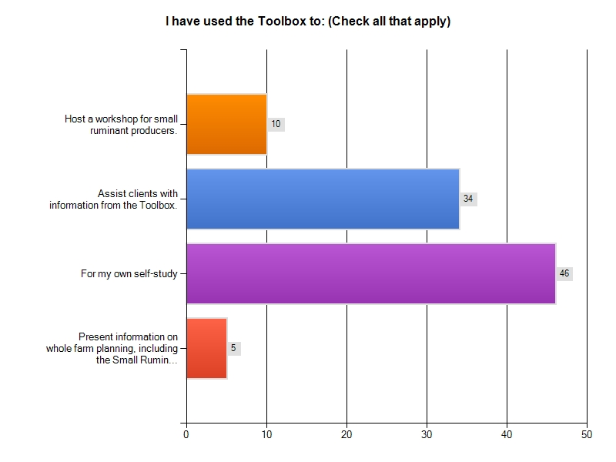

 | Approximately how many workshop participants or producers have you assisted?
 | No workshops, but 2 individuals
 | 1
 | 60
 | 20
 | 300
 | 6
 | 25
 | 50
 | 26
 | 0
 | 60
 | 1
 | 5
 | Five
 | Six producers in Union County have benefitted from the Tool box information in 2011
 | 35
 | 8
 | 2
 | 2
 | Since I have recieved the information,including workshops and meeting individually with producers, I would estimate that I have assisted approximately 40 people.
 | 10
 | We hosted a 4-H club meeting where we presented pieces to the participants - 30 people
 | 5
 | 5
 | 3
 | 10
 | 25
 | 6
 | 26
 | 20
 | 2
 | 4
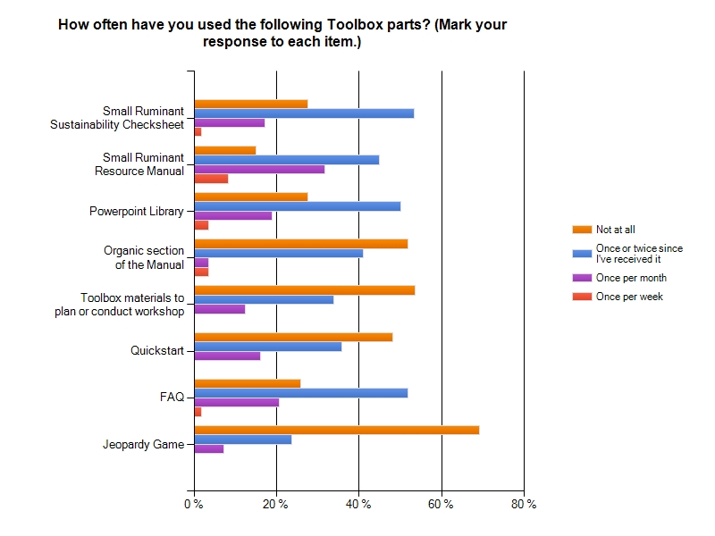

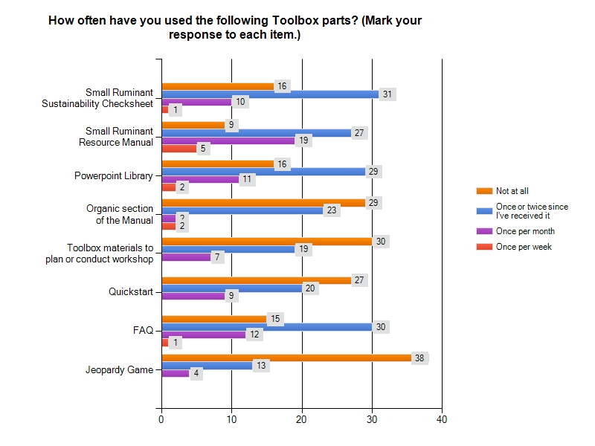

 | How often have you used the following Toolbox parts? Comments

 | Not a lot of small ruminant interest in my area
 | I plan to use the Jeopardy game (and other materials) in the future.
 | The best put together package for a one stop resource I've seen in my 15 years with Extension.
 | Plans are still in the works to use all of these materials
 | We wanted to have a workshop here but it did not work out to conduct it.
 | Very good resource
 | Have not had time yet to fully use the info. Plan to do several small runminant workshops this fall.

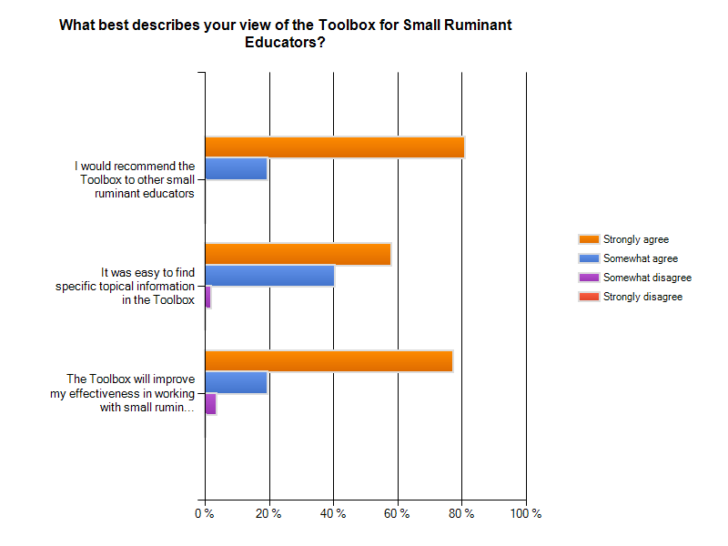

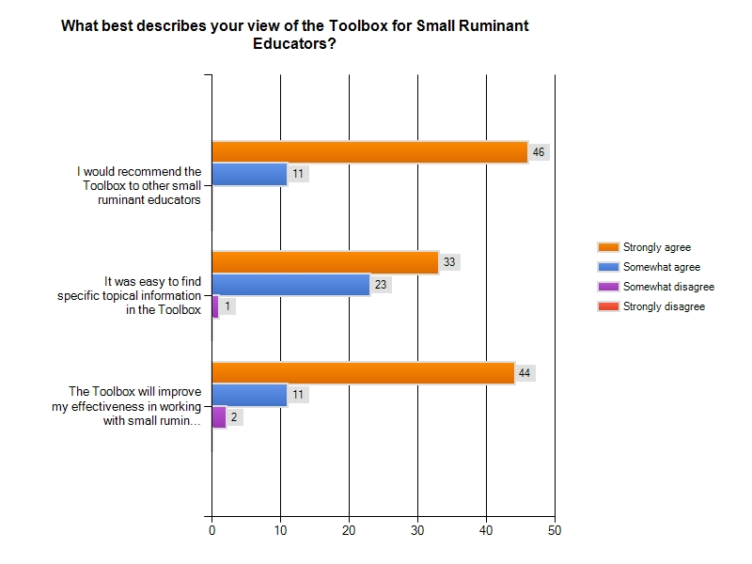

 | What best describes your view of the Toolbox for Small Ruminant Educators? Comments:

 | This is the best tool i ever have used. I just don't have a big need to use it often.
 | an index would be helpful. There is a lot of material in the Toolbox.
 | Even the producers I work with find it very helpful and easy to use.
 | I already had a similar compilation of materials myself.
 | This is a great resource!
 | I am very knowledgable in small ruminant production. I have found the toolbox useful as a quick reference and I believe it to be an invaluable tool for producers.
 | just need more time to fully implement

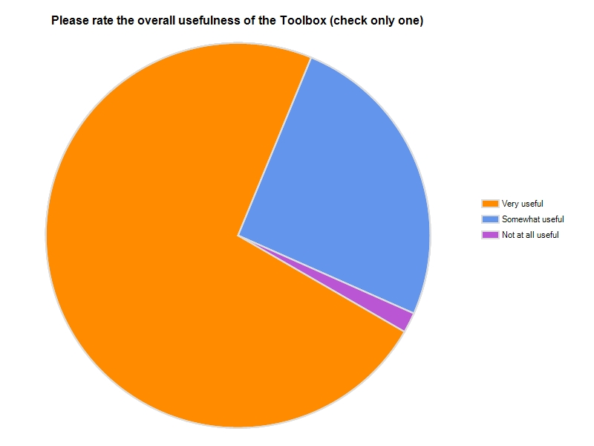

 | What particular Toolbox information did you find the most useful?

 | the manual
 | powerpoints and manuals, game, and the checksheet
 | all material was helpful
 | Grazing info.
 | URLS
 | power point presentation. health related information.
 | The Small Ruminant Resource Manual
 | Useful information in good format
 | resources
 | Nutrition.
 | forage info
 | The Farm Evaluation
 | FAQ
 | Nutrition and parasite control
 | Quickstart to the checksheet, and the powerpoint library. It was great!
 | Ppt
 | small ruminant resource manual
 | management and marketing
 | Parasite information
 | foraging information
 | sustainable foraging options
 | Resource Manual
 | Grazing Info
 | small ruminant resource manual
 | Resource Manual
 | Internal Parasites
 | I like to be able to pirate slides out of the powerpoint presentations.
 | The checksheet and the powerpoint are both very useful. I have used information from the powerpoint in cattle meetings as well.
 | Used so far as a general refresher

 | What information is still needed or should be expanded upon?

 | its pretty complete to me.
 | need more on nutrition and on economics
 | use the toolbox for a computer training with producers
 | stay current with health information and parasite control.
 | I think it is great!
 | Any Management tips.
 | More on Rotational Grazing Options.
 | Powerpoint library
 | Forage management
 | expand the veterinary management needs so it is easier to set up a management plan with the vet versus the vet deciding the plan.
 | I feel like we as small ruminate educators can always use more information on nutrition and parasites as new information becomes available. This is a great resource tool. I will be using it more as I have more programs coming up this fall and in the spring of 2012.
 | ????
 | information on worming, and method of worming, ie, water, feed, intravenious.
 | if anything, more details on specific production practices
 | I deal with youth, so maybe information that is more user friendly to our youth produces. The youth was raising animals alot of itmes as 4-H and FFA Projects.
 | I had a question this past week about home slaughter of small ruminants. I think such chapter would be useful. I guess there is a growing awareness that producers need more than animals managment ie. many are ignorant about business/financial management. Many of those that we help to get into business will not survive many years because of their lack of grasp of business and economic principles. Need to show them how to do a feasibility study and a business plan and some tips on how to conduct business.
 | Haven't had enough time and use of info

 | Please share any success stories from workshops you have conducted or information you've shared with small ruminant producers.

 | Producers love getting a compact "library"; so full of information. "I looked for years for information, and here it is; all in one place!" The checksheet helped them figure out next steps for their farm.
 | I have told other producers about ATTRA and this toolbox.
 | I had a couple that are very experienced meat goat producers attend the initial training with me and they were very impressed and have used the information extensively and passed it on to other producers!
 | we were able to plan and hold a clinic. we expected 25 and got 60. are planning another round
 | Great reference material
 | I conducted a workshop covering the check sheet, using it as an educational tool and as a needs assessment. I am currently using the quick start as a 4 month evaluation to determine what practices have changed since the meeting.
 | Many producers I have worked with have commented that the information on parasites including pasture rotation, rotating dewormers, FAMACHA, refugia and other things was very beneficial and they felt like it could make a difference in their operations.
 | has worked very well as a resource for questions I am receiving and working with producers
 | Earlier this week at a drought meeting, I had a producer comment that the information I had provided him (from the workshop) had enabled his goats to enter this harsh summer in better condition than ever before and that he would have had to cull a larger proportion of them without that assistance.

 | Any other suggestions or comments?

 | Yall did a great job!
 | Good material
 | LOTS of info to filter through. Takes a little time to find exactly what you may be looking for. The info is definately there but takes a little filtering to get there.
 | A pasture pork toolbox?
 | Thank you for the resource.
 | Very beneficial resource and I am glad that I have it as a teaching tool.
 | Please offer more programs like this. It has been very valuable.
 | suggest someone put together a small ruminant tour in the middle or south georgia.
 | Super info and I cannot wait to implement.

Sheet2
