Field 1 Layout
 |  |  |  |  |  |  |  |  |  | ENTRANCE

FIELD 1 (MESA) TOMATO VIRUS FIELD LAYOUT |  | 163 FT
 |  |  |  |  |  |  |  |  | 50 FT

 | R1 |  | 4 | 3 | 9 | 18 | 14 | 17

 | R2 |  | 1 | 15 | 12 | 13 | 8 | 6

 | R3 |  | 11 | 2 | 5 | 10 | 16 | 7

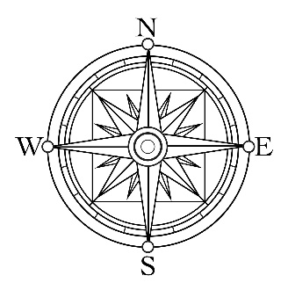

 | - Border row = 54 season red plants - Treatment ends = 4 season red plants - Each treatment row has 6 varieties - Between rows = 10 ft and 10 ft between varieties

Field 2 Layout
 |  |  |  |  |  |  |  |  |  | ENTRANCE

FIELD 2 (VELASQUEZ) TOMATO VIRUS FIELD LAYOUT |  | 163 FT
 |  |  |  |  |  |  |  |  | 50 FT

 | R1 |  | 16 | 11 | 2 | 9 | 18 | 5

 | R2 |  | 12 | 4 | 7 | 17 | 13 | 1

 | R3 |  | 3 | 10 | 8 | 14 | 15 | 6



 | - Border row = 54 season red plants - Treatment ends = 4 season red plants - Each treatment row has 6 varieties - Between rows = 10 ft and 10 ft between varieties

Field 5 Layout
BERNARD WATSON TOMATO VIRUS FIELD LAYOUT |  | 185 FT |  |  |  |  |  |  |  |  |  |  |  |  |  | 85 FT

 |  |  | 8 |  | 4 | 3 | 5 |  | 10 | 2 | 9 |  | 3 | 8

 |  |  | 17 |  | 9 | 5 | 14 |  | 12 | 18 | 11 |  | 10 | 2

 |  |  | 2 |  | 10 | 1 | 6 |  | 15 | 3 | 17 |  | 15 | 16

 |  |  | 14 |  | 18 | 11 | 8 |  | 1 | 13 | 13 |  | 12 | 14

 |  |  | 6 |  | 15 | 16 | 17 |  | 11 | 16 | 7 |  | 4 | 5

 |  |  | 13 |  | 7 | 12 | 4 |  | 7 | 9 | 1 |  | 6 | 18

 | Entrance |  |  | BLOCK 1 |  |  |  | BLOCK 2 |  |  |  | BLOCK 3


 |  |  |  |  |  |  |  |  |  |  |  |  |  |  | `

 |  | - Treatment ends = 2 season red plants - Between rows = 9.5 ft and 6.5 ft between varieties

