Sheet1
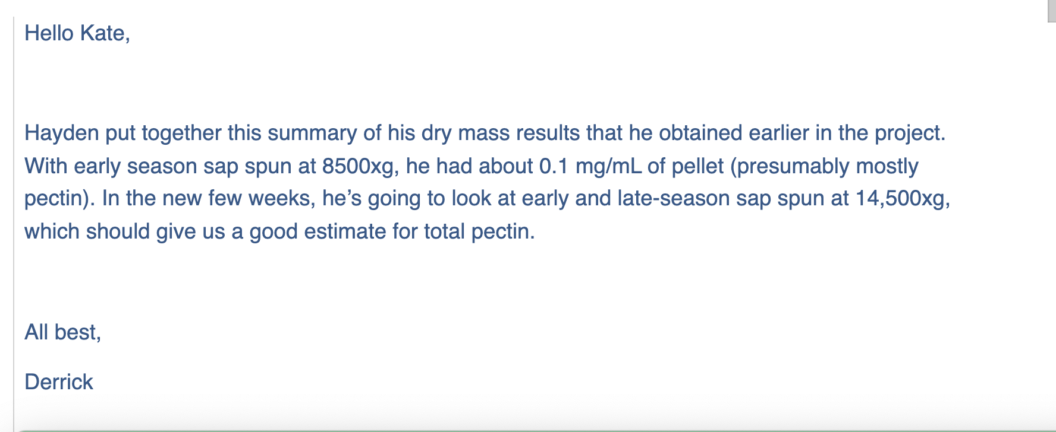
 | test tube | test tube + pellet | pellet
W1 | 1.12428 | 1.12465 | 0.00037
W2 | 1.17700 | 1.17742 | 0.00042
W3 | 1.11606 | 1.11652 | 0.00046
W4 | 1.11560 | 1.11597 | 0.00037
W = early season

L1 | 1.13283 | 1.13331 | 0.00048
L2 | 1.15362 | 1.15399 | 0.00037
L3 | 1.17369 | 1.17410 | 0.00041
L4 | 1.13001 | 1.1306 | 0.00059
L = late season

 | 14,500 rpm
Dry Mass at 48 Hours | Early Season | Late Season
 | 0.00037 | 0.00048
 | 0.00042 | 0.00037
 | 0.00046 | 0.00041
 | 0.00037 | 0.00059
Average | 0.00040 | 0.0004625
Standard Deviation | 4.3588989435E-05 | 9.6393291606E-05

 | Early Season Sap Dry Mass | Late Season Sap Dry Mass
Dry Mass at 48 Hours | 0.000405 | 0.0004625

