Ironwood Tree Site Glossary
Title | Colummn Description
Termite Collection Site Data
UOG Clinic Number assigned to termites | UOG Plant Diagnostics Clinic Log entry given to termite samples and tree data collected at time of termite collection (year 2019, 2020). It consists of two numbers, the year the sample was collected (19-__ or 20-__) and the sample number which is assigned chronologically during the specified year. Trees highlighted gray are those originally slated for University of Hawaii to perform microbiome analysis. Trees highlighted in blue are those originally meant for LSU termite analysis only. Trees highlighted green are those from the 2021 survey searching for more Coptotermes termites for analysis. All trees will be included in LSU microbiome amd soil analysis.
Termite Collection Date | Date termites were collected from tree and assigned a clinic no.
Termite ID (morphological) | Morphological identification of termite species (performed by LSU); Cg= Coptotermes gestroi, Nt= Nasutitermes takasagoensi, Mc= Microcerotermes crassus
Source of termites | Source on or near the tree from which termites were collected. There are six possible sources: from under the bark on a tree (under bark), from mud tunnels on a tree (mud tunnel), from an arboreal nest on the tree (arboreal nest), an unspecified area on the tree (tree), from the stake buried next to the tree (stake), or from the crate buried next to the tree (crate).
Tree Tag Number | Number on medal tag given to trees from which Nasutitermes takasagoensis, Coptotermes gestroi, or Microcerotermes crassus termites were collected.
Tree GPS | GPS taken with Cell phone (in Decimal Degrees format) at the exact tree site.
Location | General area, village where tree is located.
Tree Alive or Dead | Classify the tree as "Alive" (standing, with at least a few green branchlets) or "Dead" (standing tree with no remaining green branchlets, or only stump or remnants of tree remaining)
 | 0= Alive, 1= Dead
Tree DS | DS=Decline Severity determined by visual inspection based on fullness of branches and dieback (0= symptomless, 1=slight damage, 2=distinctly damaged, 3=heavily damaged, and 4=nearly dead) (Figure 1). n/a= tree dead, no DS determined for dead trees.
Tree Health Ranking | Using tree DS, classify the tree as "healthy" (DS= 0 or 1) or "sick" (DS= 2, 3, or 4)
 | 0= Healthy, 1= Sick, n/a= tree dead
Tree Condition | Based on human activity, classify the tree condition as "Undamaged" (having never been cut into or drilled, or with no other damages caused by human activity; microbiome uncompromised), "Slightly damaged" (having been drilled into, damaged/cut on branches only, or weedwacker damage to trunk; microbiome possibly compromised), or "Severely damaged" (trees that have been cut into at the trunk or roots; microbiome likely compromised).
 | 0= Undamaged, 1= Slightly damaged, 2= Severely damaged, n/a= tree dead
Height | Height of tree from ground in meters using clinometer. n/a= only stump present, unable to get height measurement
DBH Single [S] or Multiple [M] | Diameter at breast height (1.3m) in cm for single trunk [S] or diameter at breast height (1.3m) for multiple trunks [M], the average is determined. DBH [M]= n/a= only stump present, CBH not recorded
Sporocarp | The 1= presence or 0= absence of any fruiting body (bracket or resupinate) of any woodrotting basidiomycete genera occurring on the roots or turnk but no greater than breast height. n/a= only stump present, sporocarp not recorded.
Site condition | 0-No maintenance, 1-Moderatly managed, 2-Highly managed; Examples: 0= abandoned lot, 1= farm wind-row, 2= Golf course n/a= only stump present, site condition not recorded.
Altitude | Point of tree in relation to msl (mean sea level) in meters, taken at ground level at the base of the tree.
Altitude Classification | Point of tree in relation to msl (mean sea level) in meters classified as "1" for less than 100 meters and as "2" for greater than 100 meters.
Parent material | The type of parent material in that location; Limestone= coraline limestone, Residium= residum derived from tuff and tuff breccia, Coral sand= water deposited coral sand. Retrieved from https://websoilsurvey.sc.egov.usda.gov/App/WebSoilSurvey.aspx
Parent material Classification | Parent material classified as a 1, 2, or 3; 1= coralline limestone, 2= residum derived from tuff and tuff breccia, 3= water deposited coral sand; Retrieved from https://websoilsurvey.sc.egov.usda.gov/App/WebSoilSurvey.aspx
Rs Testing Date | Date tree was tested for Ralstonia and assigned a clinic no. n/a= dead tree or stump, not tested for Rs
Rs (+/-) | Positive for Ralstonia (+) or Negative for Ralstonia (-) using the Agdia Strip Test. Drill shavings were collected 5.5 ft above the soil and 1.5 in into the main stem of the tree at one point. For trees with multiple stems drill shavings were collected by drilling once into each stem, for a total of two drill points. Approximately 0.15 grams of drill shavings were placed in Agdia test buffer extraction pouch. n/a= dead tree or stump, not tested for Rs
Soil Cover | Comment on soil cover: weeds, grass, needles, ferns, etc
UOG Clinic no. assigned to soil sample | UOG Plant Diagnostics Clinic Log entry given to soil sample collected from under tree (year 2021). It consists of two numbers, the year the sample was collected (21-__) and the sample number which is assigned chronologically during the specified year. Using a clean disinfected handheld soil core sampler, with an inner diameter of ¾ inch, five soil core samples were collected and combined into a labeled zip lock bag. Samples were roughly equally spaced around the tree and between 3-5 ft from the tree base. Soil sample area was bare; therefore, without disturbing the underlying soil, any grass, weeds, needles, and other debris was removed. Soil core was pushed as deep as possible into the soil but no deeper than 10 cm. Between trees, sampler was wiped clean and disinfected in 10% Clorox. All tools were either autoclaved or thoroughly cleaned with a 10% solution of Clorox. To eliminate DNA contamination of soil samples for ETOH preservation, nitrile gloves were worn. Between tree samples gloves were cleaned with Clorox wipe or a new pair used.
Depth of soil cores taken | The depth of each of the five individual soil cores taken around the tree. Each soil core depth is separated by a comma.
Soil Tube # | Number assigned to centrifuge tube prior to collection of soil. 15 mL Centrifuge tubes were filled with 8 mL of 95% Ethanol. In the field, soil core samples were collected and combined. Small aliquots of soil were then sieved through ¼ in galvanized steel hardware cloth (screen) into an autoclaved paper cup. Most samples were sieved using a level 3 sieve (meaning 3 layers of hardware cloth stacked on top of each other to create a tighter sieve). In cases where the soil was too clumped and hard, a single screen (level 1) sieve was used. By folding the edge of the paper cup, small amounts of sieved soil were poured into the pre-weighted and labeled 15 ml plastic ultra high performance centrifuge tube containing 8 mL of 95% ETOH. Soil was added until a volume of 11 mL was reached. To standardize conditions and maximize mixing, the tube was frequently shaken during the process. Tubes were placed on ice and transported back to the lab. In the lab, tubes were re-weighed to determine grams of field soil added to each tube. Sample tubes were stored in a freezer until shipment.
% Soil Moisture | Sub-samples were collected to determine soil moisture (%). In the field, at least 80 ml of the unsieved soil was collected for soil-moisture determination (no need to refrigerate). Back at the lab, soil was sieved with the same sieve type used for the centrifuge sample soil. Approximately 50 g of sieved field soil was place in weighed aluminum pan. Soil was dried at 105°C for at least 48 hrs. Dish was removed from oven and allow to cool. Dish was then re-weighted and the difference calculated, which was the weight of the water in the original sample. This information was used to calculate soil moisture (dry wt. basis). Percent moisture content of soil is equal to weight of water in soil sample divided by the weight of dry soil. All supporting soil moisture data is recorded in the "Soil Moisture" spreadsheet.
Conductivity Value | Conductivity is a measure of water's capability to pass an electrical current, which increases with the presence of ions. It has been determined that the conductivity of water extracts of ironwood stem tissue increases with % wetwood of the tree. Collection method included the following. At 50 cm above the base of a tree, the bark was removed from 2 small areas from opposite sides of the tree. Within these areas, 50 ml of shaving were collected into the same label zip-locked bag as drill shaving samples, from approximately 4 drilled 3-inch deep holes. The bag was placed on ice and transported to the lab. In the lab, the sample was grinded and sieved through 1/8 in galvanized hardware cloth. Five grams of sieved tissue was then placed in a clean glass vial and placed in the freezer for storage. Processing method includes the following. Transfer the entire 5 gm sieved tissue into a 125 ml flask containing 50 ml of steam distilled water. Shake and place on hot plate. At first sign of boiling (approximately 2 minutes later) allow to boil rapidly for an additional 5 minutes. While hot, using a Vortex-genie 2, the sample was vortexed vigorously for one minute at the medium setting. Afterwards, it was placed in an ice bath and cooled to (60°C), then filtered through Whatman #3 paper by pulling a vacuum. After the filtrate cooled to room temperature, its conductivity was measured using a Hach 51800-10 sensION 5 Waterproof Conductivity Meter and recorded as microSiemens per centimeter (μS/cm at 25 °C). n/a= dead tree or stump, conductivity sample not collected
Conductivity Level | Conductivity value classified as: 0= slight (<301); 1= low (301-574); 2= moderate (575-849); 3= high (>849) n/a= dead tree or stump, conductivity sample not collected
Soil Sample and Conductivity Collection Date | Date soil sample was collected from tree and assigned a clinic no. Conductivity (drill shavings) were collected on the same date.
Candidate for ooze collection? | Is the tree a candidate to be cut into for bacterial ooze collection. No= not a candidate; Root= candidate for roots to be cut into; Branch= candidate for branch to be cut off; Trunk= candidate for tree to be cut down at trunk (felled)
Comments | Any comments on the tree or collection procedure, to include changes to tree disease severety or other data since original termite collection, problems with data collection, or slight changes to data collection protocol.

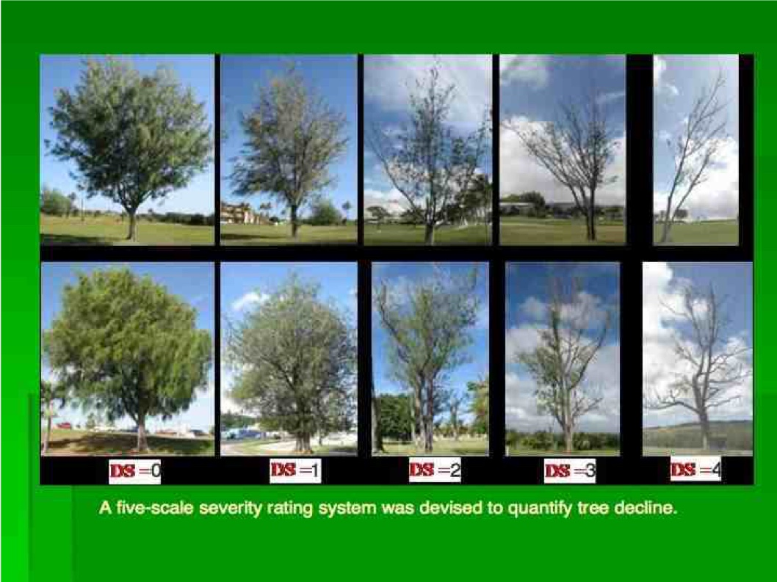

Figure 1.

