SARE Acknowledgement
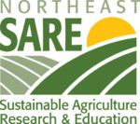
This material is based upon work supported by the National Institute of Food and Agriculture, U.S. Department of Agriculture, through the Northeast Sustainable Agriculture Research and Education program under subaward number FNE20-953.

