Layout Diagram
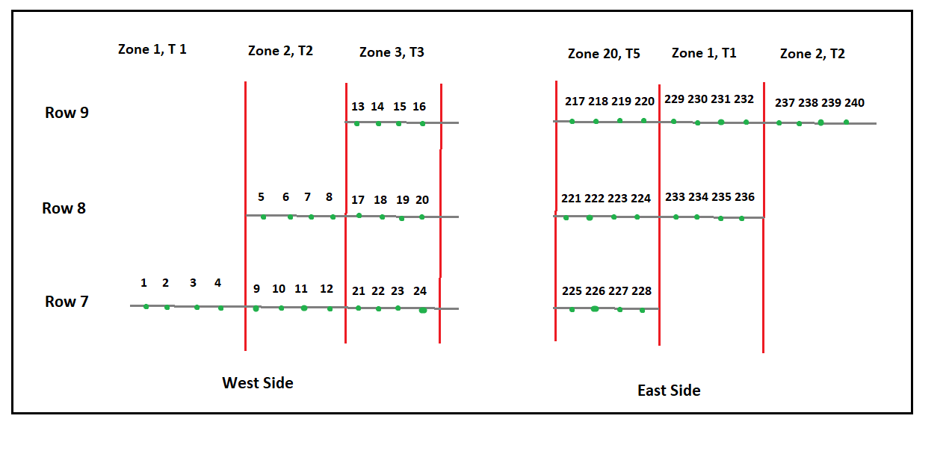

1 - Healthy (<10%) | 2 - Light Decline (10-25%) | 3 - Moderate Decline (26-50%) | 4 - Severe Decline (>50%) | 5 - Dead

0 - None | 1 - <30% | 2 - 31-60% | 3 - 61-100%

