potato yield
marketable yields (lbs) for each variety
Pontiac red | T | 92.9 | T+M | 108 | M | 108.35
keuka gold | T | 159.45 | T+M | 292.6 | M | 181.2
red maria | T | 272.8 | T+M | 335.7 | M | 255.2

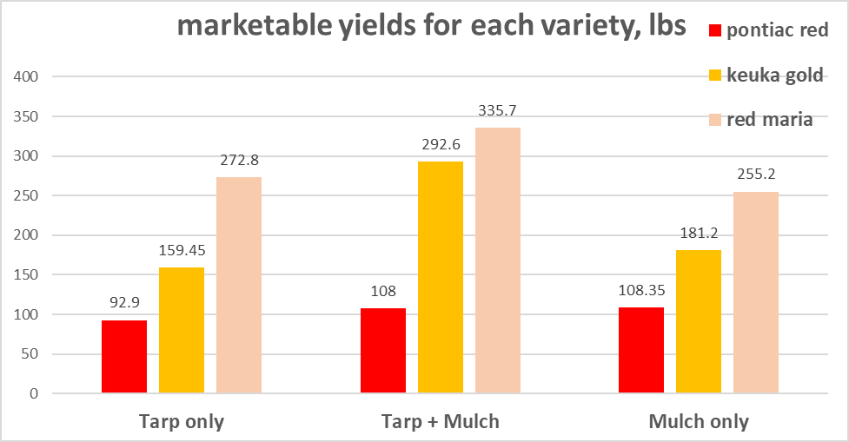

marketable yields per row (lbs/ft) for each variety
pontiac red | Tarp only | 0.46 | Tarp + mulch | 0.54 | Mulch only | 0.54
keuka gold | Tarp only | 0.80 | Tarp + mulch | 1.46 | Mulch only | 0.91
red maria | Tarp only | 1.36 | Tarp + mulch | 1.68 | Mulch only | 1.28

average | T | 0.88 | T+M | 1.23 | M | 0.91
 | pontiac red | keuka gold | red maria
Tarp only | 0.46 | 0.80 | 1.36
Tarp + mulch | 0.54 | 1.46 | 1.68
Mulch only | 0.54 | 0.91 | 1.28

 |  |  |  |  |  |  | n

tuber quality
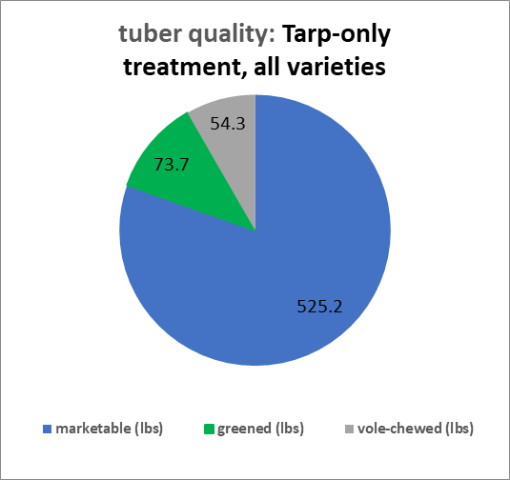
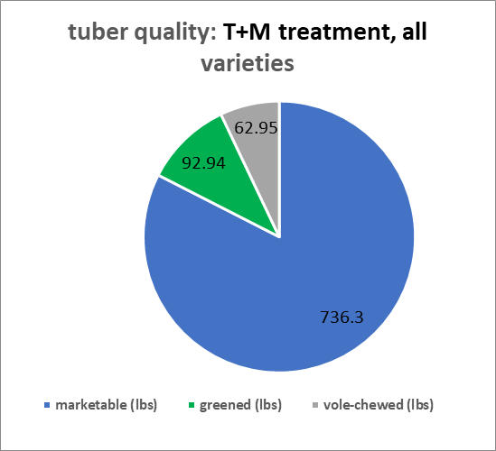
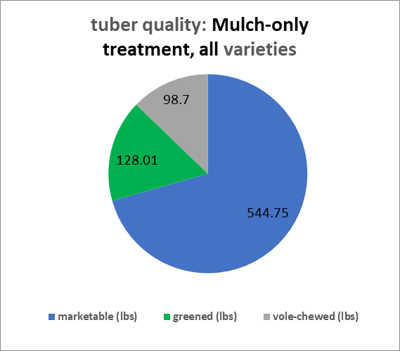
tuber quality by treatment, all varieties
Yield: | marketable (lbs) | greened (lbs) | vole-chewed (lbs)
T | 525.2 | 73.7 | 54.3
T+M | 736.3 | 92.94 | 62.95
M | 544.75 | 128.01 | 98.7

labor hours by catagory
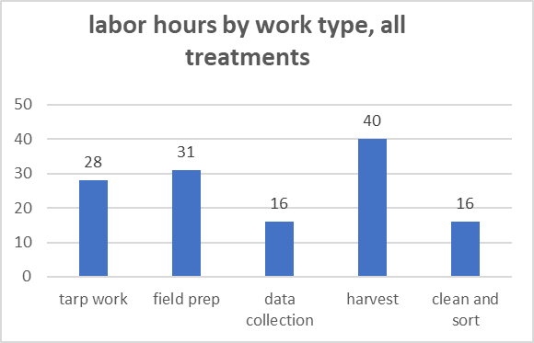
Labor |  | hr | people | $/hour | costs | labor hours
tarp work
sand bagging | 2022-04-21 | 1 | 2 | 20 | 200 | 2
tarping | 2022-05-06 | 2 | 6 | 20 | 240 | 12
take tarp off/plant seed pots | 2022-06-02 | 2 | 7 | 20 | 280 | 14
 |  |  |  |  |  | 28 | tarp work
field prep
mowing | 2022-05-26 | 2 | 1 | 20 | 40 | 2
mowing | 2022-07-17 | 3 | 1 | 25 | 75 | 3
mowing | 2022-06-17 | 3 | 1 | 25 | 75 | 3
cultivation and transport | 2022-06-30 | 3 | 1 | 25 | 75 | 3
hill | 2022-06-30 | 1.5 | 6 | 20 | 180 | 9
mulch | 2022-06-30 | 1 | 6 | 20 | 120 | 6
furrowing/transport | 2022-05-03 | 3 | 1 | 25 | 75 | 3
furrowing/transport | 2022-06-01 | 2 | 1 | 25 | 50 | 2
 |  |  |  |  |  | 31 | field prep
data collection
weed sampling | 2022-06-23 | 4 | 1 | 25 | 100 | 4
picture taking | 2022-06-23 | 2 | 1 | 20 | 40 | 2
picture taking | 2022-06-30 | 2 | 1 | 20 | 40 | 2
insect scouting | 2022-06-25 | 1 | 1 | 25 | 25 | 1
picture taking | 2022-07-17 | 1 | 1 | 25 | 25 | 1
collate pictures | 2022-11-12 | 2 | 1 | 25 | 50 | 2
weed measurement | 2022-09-21 | 4 | 1 | 25 | 100 | 4
 |  |  |  |  |  | 16 | data collection
harvest
harvest | 2022-10-07 | 2 | 4 | 20 | 160 | 8
harvest | 2022-10-14 | 2 | 4 | 20 | 160 | 8
harvest | 2022-10-21 | 3 | 4 | 20 | 240 | 12
harvest | 2022-09-16 | 3 | 4 | 20 | 240 | 12
 |  |  |  |  |  | 40 | harvest
clean and sort
clean and sort | 2022-09-23 | 4 | 1 | 20 | 80 | 4
clean and sort | 2022-10-26 | 4 | 1 | 20 | 80 | 4
clean and sort | 2022-11-04 | 3 | 1 | 20 | 60 | 3
clean and sort | 2022-11-11 | 5 | 1 | 20 | 100 | 5
 |  |  |  |  |  | 16 | clean and sort

ratio yield per labor hr
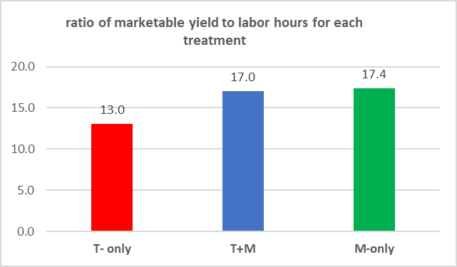
 | T- only | T+M | M-only
total hours (excluding data collection) | 40.3 | 43.3 | 31.3
total lbs marketable yield | 525.2 | 736.3 | 544.75
ratio lbs/ hr labor | 12.7 | 16.6 | 17.4

